Module 22
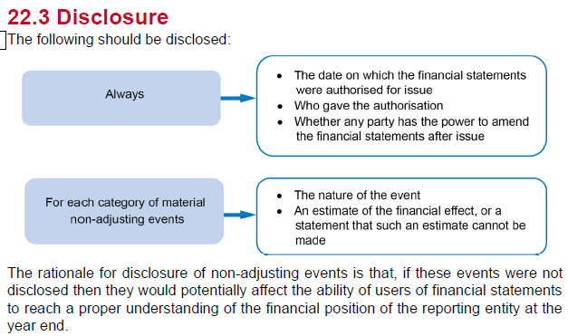
Main
 | Module 22 - Events after the Reporting Period

 | Post balance sheet events

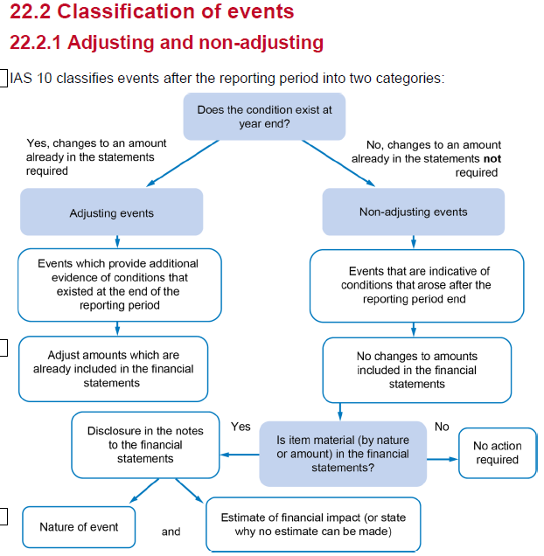

 | basically any material post year event needs to be disclosed.
 | don asjust the accounts buy add in a disclosure and estimate the value

 | Examle
 | 1 - would need to know if the impairment is material or not
 | 2 - If material
 | 3 - no - normal course of business. Doesn't affect the numbers issued at year end
 | 4 - if material
 | 5 - no - does not impact the numbers reported at year end
 | 6 - major restructuring - no
 | 7 - tax change - no disclosure
 | 8 - yes - would definitely have to disclose a fraud meaning the accounts are materially mistatedd

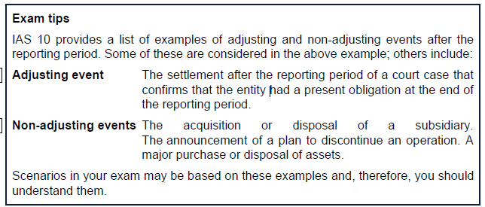

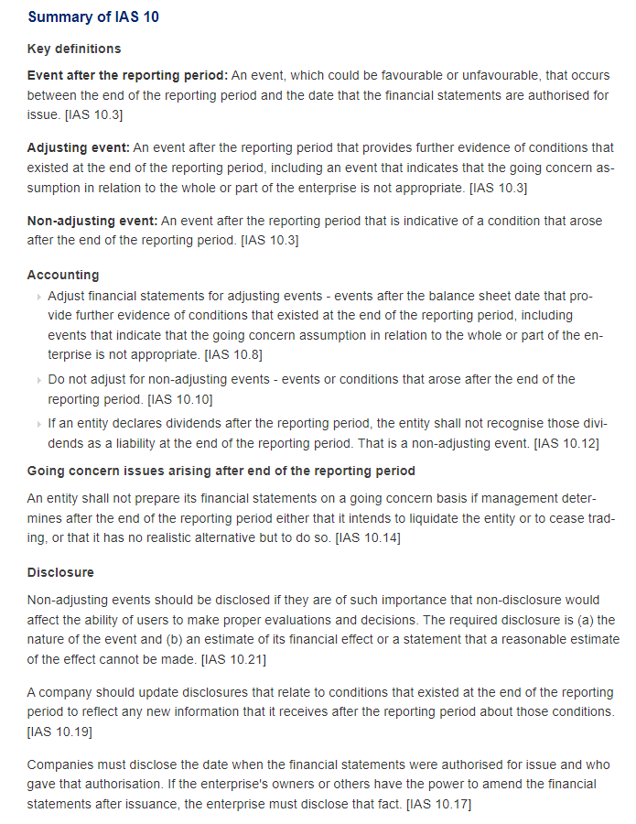

 | dividends declared post balance sheet should not be adjusted for
 | dividends declared post balance sheet and pre-FS date should be disclosed in the notes

WSE22.1
Main
 | Sunban plc
 | YE | 2016-12-31

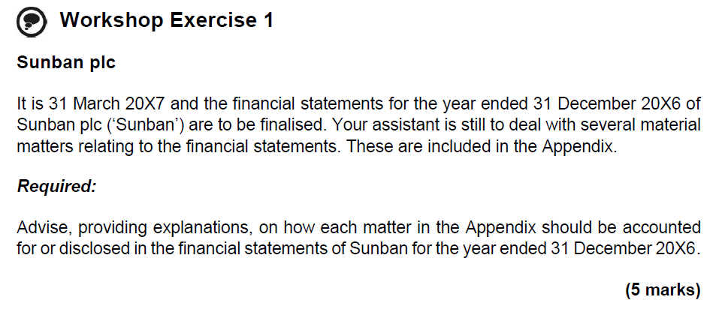

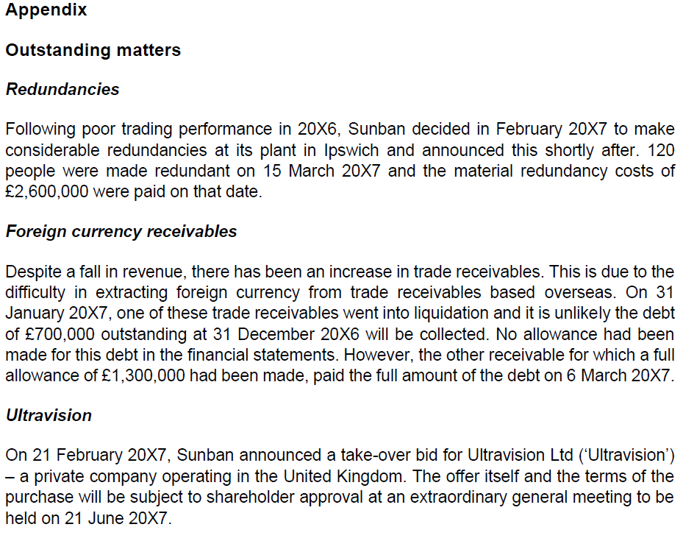

 | Redundancies
 | Announcing, or commencing the implementation of, a major restructuring is a non-adjusting event. The nature of the event (location and redundancies) and its financial effect (£2,600k) must be disclosed.

 | Foreign currency receivables
 | The receipt of information after the reporting period indicating that an asset was credit-impaired at the end of the reporting period is an adjusting event. The liquidation of the customer confirms that the customer was credit-impaired and so the £700k should be written off in the financial statements. The allowance for receivables of £1,300k should be reversed as the debt was paid following the year end. Provisions which are subsequently met should be reversed in the FS.

 | Ultravision
 | A major business combination after the reporting period is a non-adjusting event. As this is an announcement only and not the combination itself, no disclosure is required. Just annoucing a bid is not enough to disclouse in the FS.

WSE22.2
Main
 | Fizzy Ltd | YE | 2018-03-31

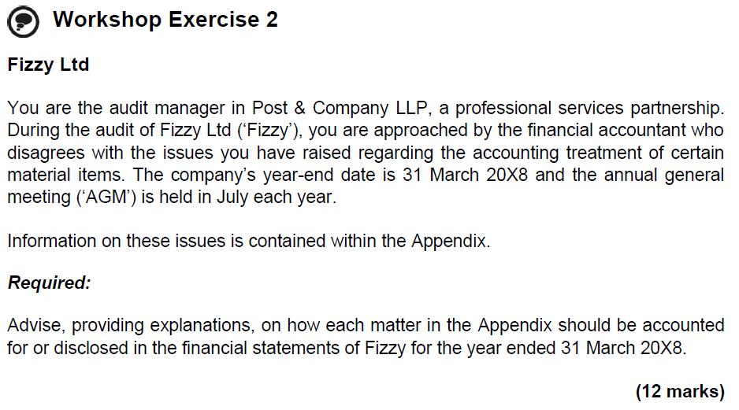

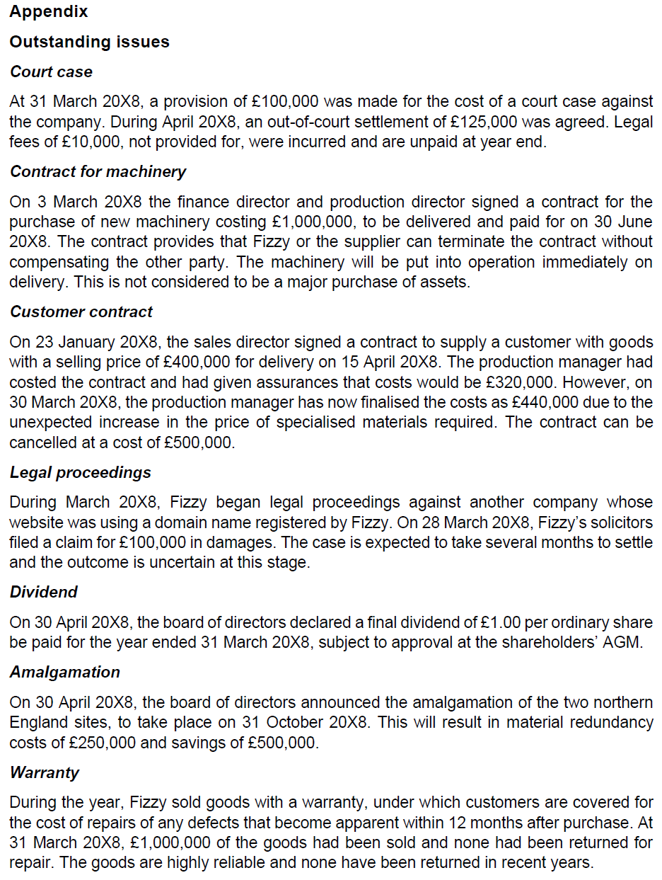

 |  |  |  | increase prov'n

 |  |  |  | no contract exists until delivery
 |  |  |  | no disclosure
 |  |  |  | no accrual even

 |  |  |  | loss | 80
 |  |  |  | cancel | 500
 |  |  |  | provsion for the 80k loss at YE
 |  |  |  | onerouse contract

 |  |  |  | uncertain outcome
 |  |  |  | do not disclose

 |  |  |  | disclose with amount

 |  |  |  | restructure prov'n for 250

 |  |  |  | no real chance of return
 |  |  |  | no prov'n required

 | Court case
 | The settlement after the reporting period of a court case that confirms that the entity has a present obligation at the end of the reporting period is an adjusting event.
 | The entity must adjust the previously recognised provision related to this court case to £125k, representing the final settlement, while the remaining legal fees incurred of £10k are accrued expenses.

 | Contract for machinery
 | As the contract may be terminated without compensating the other party and as no asset is controlled, there is nothing to recognise in the financial statements.
 | As this is not a major purchase of assets, it would not be deemed to be material and no disclosure would be required.

 | Customer contract
 | This is an onerous contract, as the unavoidable costs of meeting the obligations under the contract (£440k) exceed the economic benefits expected to be received under it (£400k).
 | A provision for the onerous contract must be recognised at the lower of the loss (£40k) and the cancellation cost (£500k).

 | Legal proceedings
 | The damages (£100k) represent a contingent asset, as it is a possible asset that arises from past events (legal proceedings) whose existence will be confirmed only by the occurrence of a future event (winning the court case) not wholly within the control of the entity.

 | Dividend
 | As the entity has declared dividends to the holders of equity instruments after the reporting period, the entity shall not recognise those dividends as a liability at the end of the reporting period.
 | As the entity has declared dividends to the holders of equity instruments after the reporting period, the entity shall not recognise those dividends as a liability at the end of the reporting period.

 | Amalgamation
 | Announcing, or commencing the implementation of, a major restructuring is a non-adjusting event after the reporting period.
 | The nature of the event (locations and redundancies) and its financial effect (net savings of £250k) must be disclosed.

 | Warranty
 | As a result of selling goods under warranty, a legal obligation has been created for repairs.
 | There is no probable outflow of economic resource as no goods have been returned for repair and they are highly reliable.

WSE22.3
Main
 | Livington Housing Ltd
 | YE | 2019-04-30

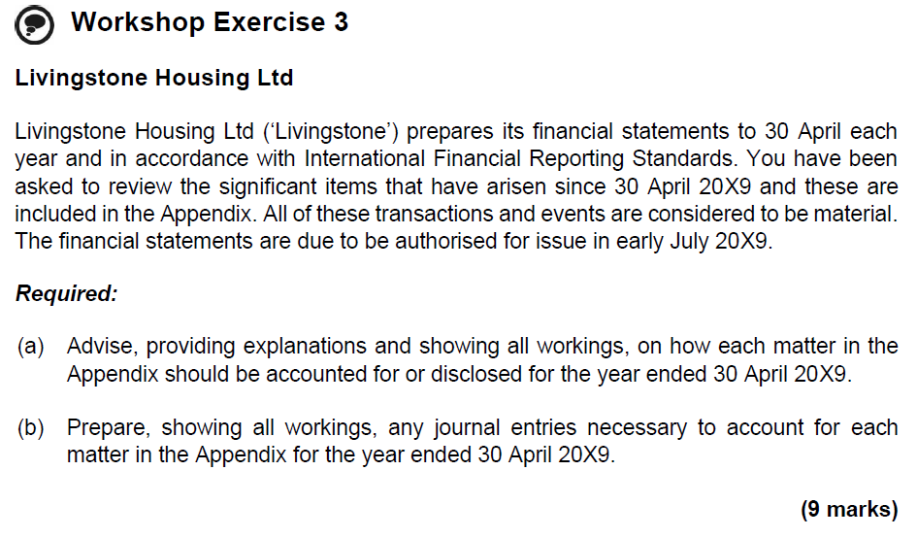

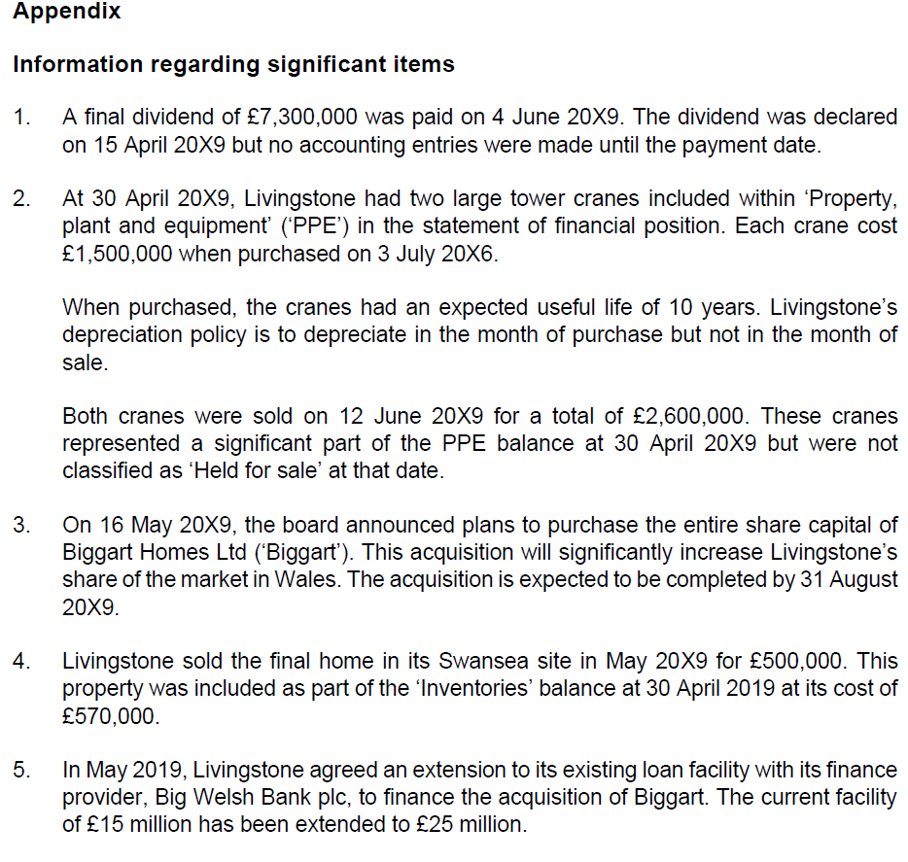

 |  |  |  |  |  | paid before signing date
 |  |  |  |  |  | add in prov'n

 |  |  |  |  |  | reclass as HFS as post BS event
 |  |  |  |  |  | significant adjusting even

 |  |  |  |  |  | announcement is not enough.
 |  |  |  |  |  | no disclosure

 |  |  |  |  |  | sold at less then cost
 |  |  |  |  |  | adjust inventory cost v nrv

 |  |  |  |  |  | significant commitment
 |  |  |  |  |  | disclose

 | Dividend
 | As the entity has declared dividends to the holders of equity instruments before the reporting period, the entity shall recognise those dividends as a liability at the end of the reporting period.

 | dr - RE |  |  | 7,300
 |  | cr - other payables |  |  | 7,300
 | being dividend declared but not paid

 | Disposal of property, plant and equipment
 | The disposal of property, plant and equipment does not give evidence impacting the carrying amount at year end and so is not an adjusting event.
 | As this is a major disposal of assets, details of the transaction including the sales price (£2,600k) and gain on sale (£475k) must be disclosed in the notes to the accounts.

 | Proceeds |  |  | 2,600
 | Cost | 2016-07-03 | 2*1500 | 3,000
 | AD | 2019-06-12 | 35 | 883
 | NBV | 2019-06-12 |  | 2,118
 | gain on sales |  |  | 483

 | include the proceeds and gain on sale in the notes to the accounts

 | Plan to purchase the entire share capital of Biggart Homes Ltd
 | A major business combination after the reporting period is a non-adjusting event.
 | As this is an announcement only and not the combination itself, which is not due to take place until after the financial statements are issued, no disclosure is required.

 | Inventories
 | The receipt of information after the reporting period indicating that an asset was credit-impaired at the end of the reporting period is an adjusting event.
 | The sale of inventories confirms that the inventories’ net realisable value was lower than its cost and so £70k should be written down in the financial statements.

 | nrv | 500
 | cost | 570
 | Write down | -70

 | dr - COS |  |  | 70
 |  | cr - inventory |  |  | 70
 | being write down of inventories to adjust for PYE sale confirming the asssets nrv is lower than the cost

 | Loan facility
 | Entering into a significant commitment is a non-adjusting event.
 | The extension from £15,000k to £25,000k must be disclosed.

